Sheet1
Syringe Parts with Measurements
Parts | Picture | Messuremets in (mm)
Barrel | 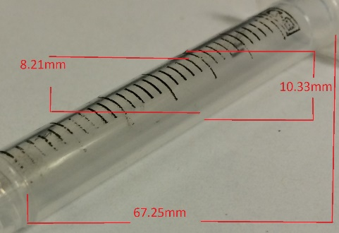 | Length | Diameter
 |  | 67.25 | Inside | Outside
 |  |  | 8.21 | 10.33
Flange/ End Piece | 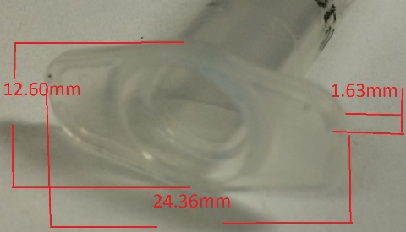 | Height | Major Axis | Minor Axis
 |  | 1.63 | 24.36 | 12.6
Plain Tip | 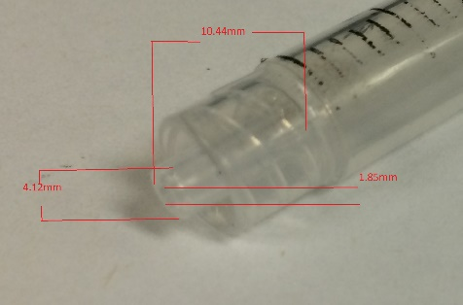 | Length | Diameter
 |  | 10.44 | Inside | Outside
 |  |  | 1.85 | 4.12
Needle Hub Female/ Plain Tip Housing | 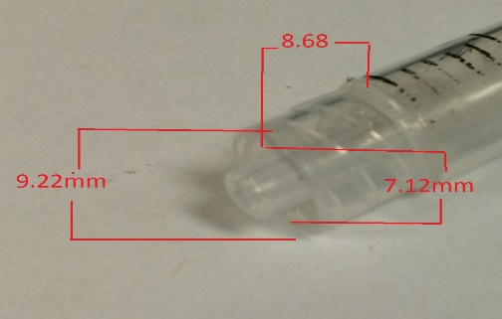 | Length | Diameter
 |  | 8.68 | Inside | Outside
 |  |  | 7.12 | 9.22

Plunger
Plunger Top | 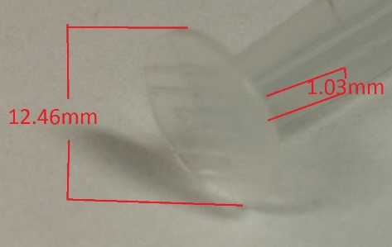 | Height | Diameter
 |  | 1.03 | 12.46
Plunger Shaft | 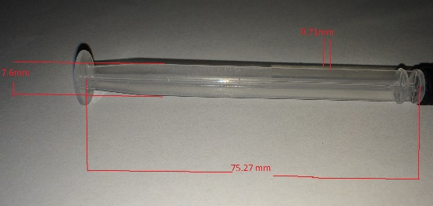 | Length | Shaft Bars x4 | Shaft Bars x2
 |  | 75.27 | Thinkness | Width
 |  |  | 0.71 | 7.6
Plunger Groove 1 | 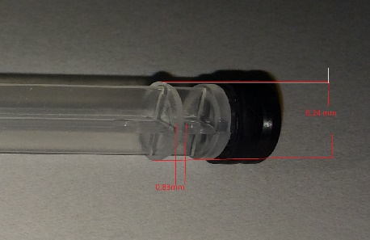 | Height | Diameter
 |  | 0.83 | 8.24
Plunger Groove 2 | 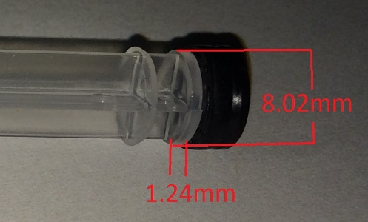 | Height | Diameter
 |  | 1.24 | 8.02
Plunger Seal | 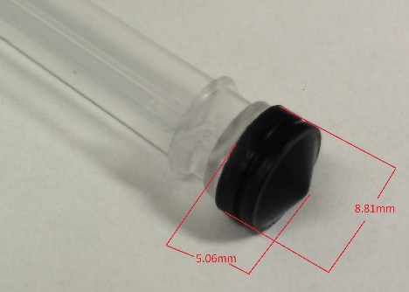 | Height | Diameter
 |  | 5.06 | 8.81
Plunger Seal Groove |  | Height | Diameter
 |  | 0.64 | 8.33

